Burst_API ST 2RD
Burst Pressure Inputs |  | API ST 2RD
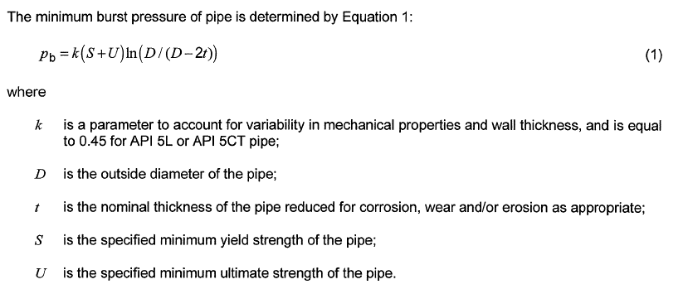
k | 0.45
D | 2.375
t | 0.1
S | 80 | ksi
u | 60 | ksi

pb | 5.54

Collapse_API ST 2RD
API ST 2RD
Collapse Due to External Pressure Inputs
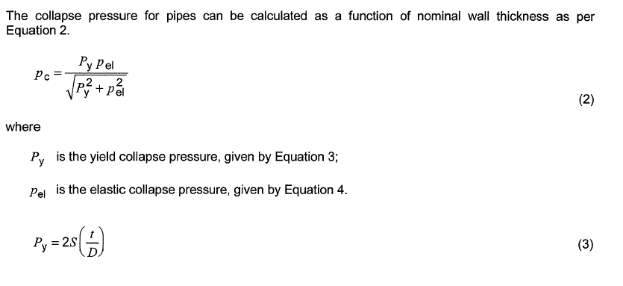
s | 80 | ksi
D | 2.375
t | 0.1
E | 205 | Gpa
v | 0.3
Dmax | 10
Dmin | 5
αtab | 1 | Seamless Pipe
pc | 0.03363149791

py | 6.7368421053

pel(t) | 0.033631916997

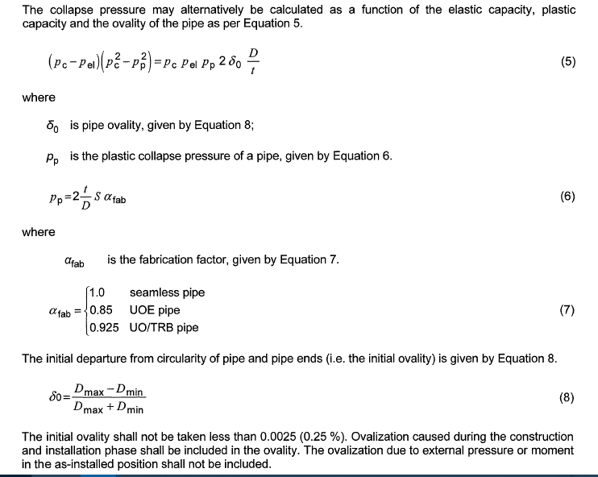
 | 1.9019799335E-05 | 0.12064978626
pp | 6.7368421053

δ0 | 0.33333333333

Collapse Due to Pure Bending

ϵb | 0.11875

Burst_DNV OS F101
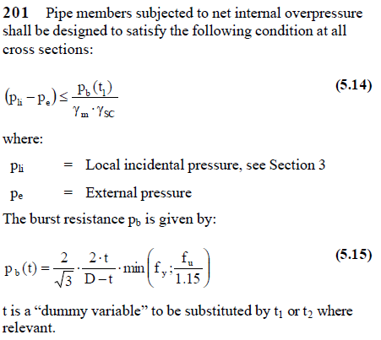
Burst Pressure Inputs | DNV OS F201

pli | 5.5
pe | 2

fy | 1.0811764706
fu | 0
D | 10.75
t | 0.5
pb(t) | 0

